Sheet2
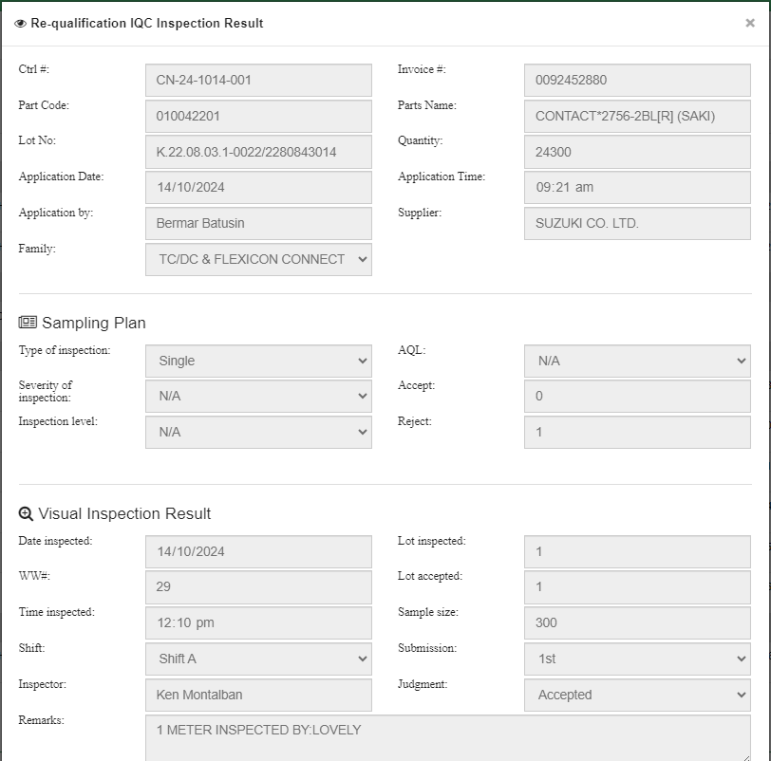
NG SAMPLE FOR CORRECTION
GOOD SAMPLE
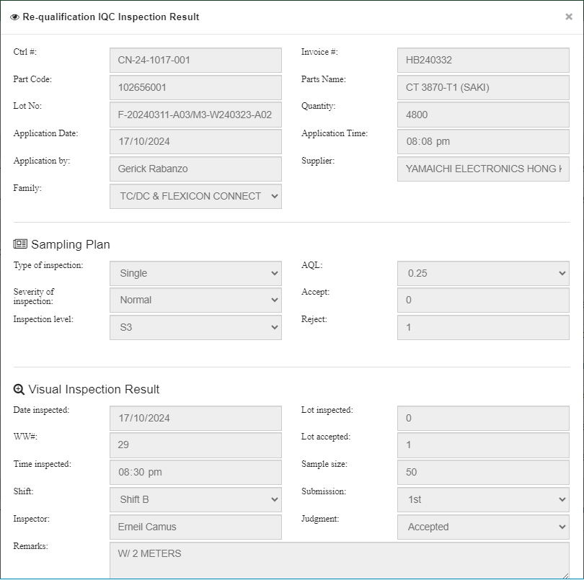
N/A
N/A
N/A
1 meter inspected
Jomari Ramiscal

